UI Flow
Home
Credits
Select Game Mode
Select Difficulty
Start Game
Show Leaderboard
Game Results
Search Pokemon
View Entry
Select Generation
Timer Mode
Countdown Mode
Play Game
Search in Pokedex

UI Mock Screens

PokePolls!
Can you name them all?!
Start Game
Pokedex
High Scores
Credits
Generation 1
Timer: XX:XX
Countdown
Easy: XX:XX
Medium: XX:XX
Hard: XX:XX
Generation 2
Timer: XX:XX
Countdown
Easy: XX:XX
Medium: XX:XX
Hard: XX:XX
.
.
.
All Generations
Timer: XX:XX
Number of Pokemon: XXX
Home Screen | Credits | Select Generation |  | Select Mode | Select Difficulty | Game | Leaderboard | Pokedex
Made By Parker Nguyen, a humble (and sleep deprived) CSUF student
Official sprites belong to © Nintendo/Creatures Inc./GAME FREAK Inc.
Select Generation
Gen 1
Gen 2
Gen 3
Gen 4
Gen 5
Gen 6
Gen 7
Gen 8
Gen 9
All Gens
Continue
Select Mode
Timer Mode
Countdown Mode
Select Difficulty
Easy (20:00)
Begin!
Medium (10:00)
Hard (5:00)
PokePolls!
(enter names here)
# 1: ????????????
# 2: ????????????
# 3: ????????????
# 4: Charmander
# 5: Charmeleon
...
Generation 1
Time
(time remaining/elapsed)
Pokedex!
Generation ?
No. ???
(pokemon name)
image
No. ???
(pokemon name)
image
No. ???
(pokemon name)
image

 | Game Finished (Countdown Mode Victory and Timer Mode) |  | Game Finished (Countdown Mode, Defeat)
PokePolls!
(enter names here)
# 1: ????????????
# 2: ????????????
# 3: ????????????
# 4: Charmander
# 5: Charmeleon
...
Generation 1
Time
(time remaining/elapsed)
Great Job!
Generation ?
No. of Pokemon: XXX
Time Left: XX:XX
Back to Menu
PokePolls!
(enter names here)
# 1: ????????????
# 2: ????????????
# 3: ????????????
# 4: Charmander
# 5: Charmeleon
...
Generation 1
Time
(time remaining/elapsed)
Too Bad!
Generation ?
No. of Pokemon: XXX
Time Left: XX:XX
Back to Menu

User Flow
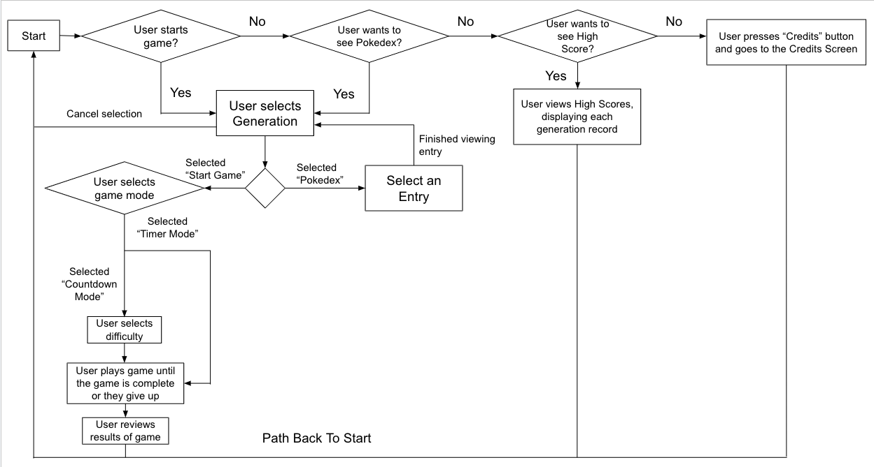
User Flow Diagram

